students

NAME, GP RATING COURSE . JULY-DEC 2026 , IMMANUEL ARASAR COLLEGE OF MARINE ENGINEERING ,MARTHANDAM
Sr.No. | Name | Date of Birth | PHOTO
1 | VAISHAK VIDYADHAR HARIKANTRA | 10-OCT-2006
2 | SARTHAK SANDIP JAGATAP | 02-OCT-2008 | 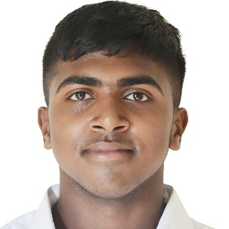
3 | SHIVA NISHAD | 14-APR-2006 | 
4 | AYUSH SHANTA DURGEKAR | 18-APR-2008 | 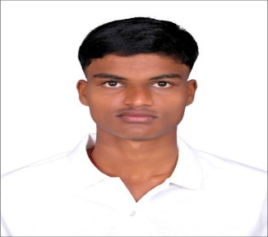
5 | UJWAL DURGEKAR | 11-SEP-2008 | 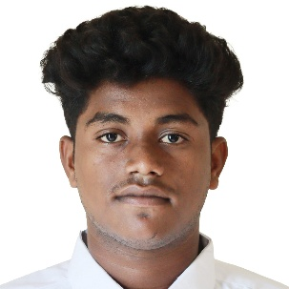
6 | ARSHDEEP SINGH | 06-AUG-2005 | 
7 | MUNEESHWARAN ARUNACHALAM | 30-OCT-2006 | 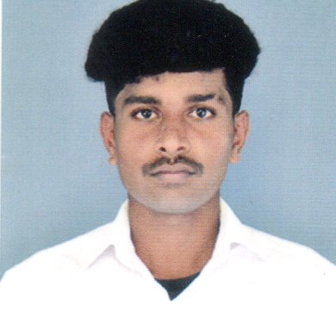
8 | KRISHNA SINGH | 13-MAR-2007 | 
9 | ATUL KUMAR | 24-AUG-2008 | 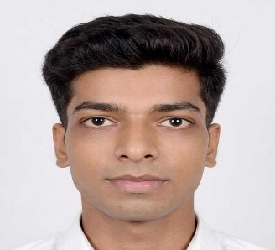
10 | PIYUSH KUMAR SINGH | 11-MAY-2008 | 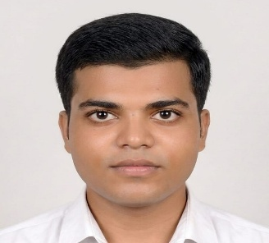
11 | RONAK | 24-DEC-2008 | 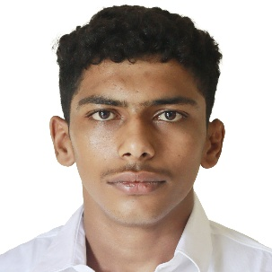
12 | MERUGU SHRINIVAS | 06-FEB-2008 | 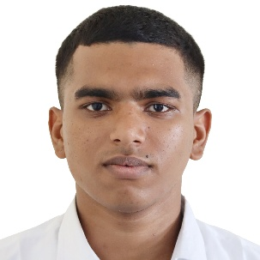
13 | JEEVAN | 10-JUN-2007 | 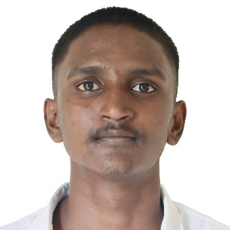
14 | PRADIP SATYANARAYAN GUPTA | 03-DEC-2003 | 
15 | KISHAN SINGH | 01-JAN-2004 | 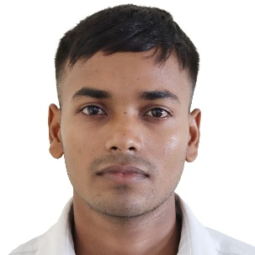
16 | MUKUL KUMAR PAL | 15-JUN-1999 | 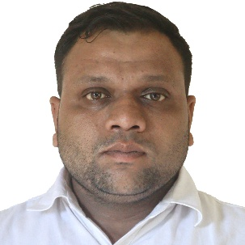
17 | KHALANDAR PASHA | 27-MAY-2005 | 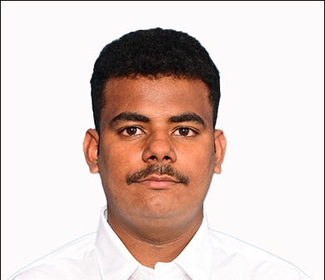
18 | JATIN SINGH | 09-AUG-2003 | 
19 | ARPIT | 15-OCT-2008 | 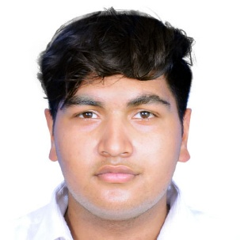
20 | THEJAS | 29-NOV-2006 | 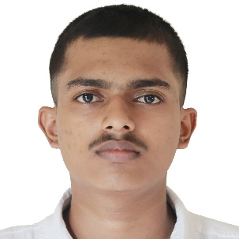
21 | PRINCE SINGH | 21-DEC-2007 | 
22 | LAXMI | 01-MAR-2008 | 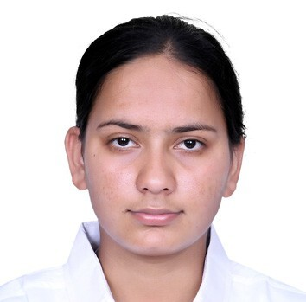
23 | ASHIK ANSARI | 01-JAN-2004 | 
24 | HARI TUKARAM SUTAR | 20-SEP-2002 | 
25 | VIKAS SANTOSH PAGADI | 02-JUN-2006 | 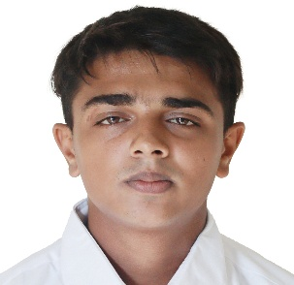
26 | VENKATESH GINNI | 29-JAN-2007 | 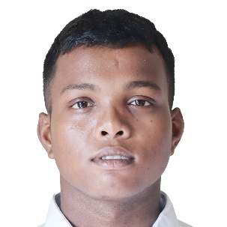
27 | PRAJWAL PRAVEEN DUGGALA | 16-DEC-2005 | 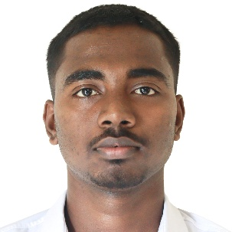
28 | ABIN BABY | 03-JUL-2007 | 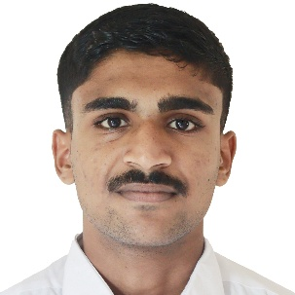
29 | ASHISH | 18-OCT-2007 | 
30 | KARTIK SANJAY BHOGE | 20-NOV-2007 | 
31 | ANKIT | 30-DEC-2001 | 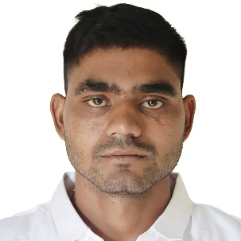
32 | SURAJ CHAUHAN | 09-AUG-2003 | 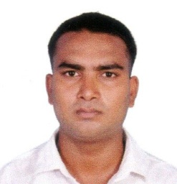
33 | NITHESH POOJARY | 03-SEP-2004 | 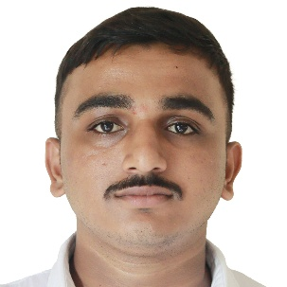
34 | ARPAN VISHWAKARMA | 14-JUN-2004 | 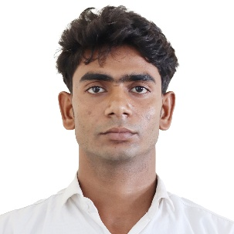
35 | ADITYA ARUN MALSEKAR | 27-JAN-2007 | 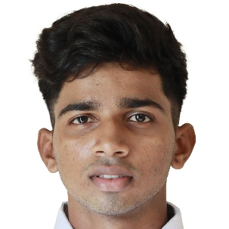
36 | ROHAN RAMAKANT MUDGEKAR | 29-MAR-2003 | 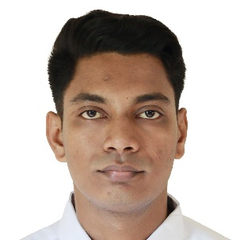
37 | VINAY DAILA | 06-SEP-2004 | 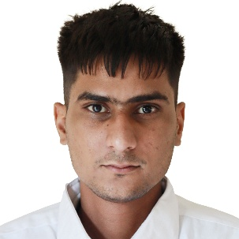
38 | JAY DHARMESH MEHTA | 02-JUL-1999 | 
39 | SRINU MAILAPILLI | 14-MAR-2007 | 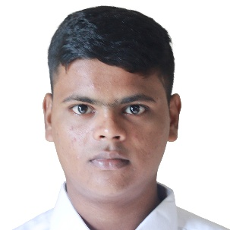
40 | AARIYASH RAJPUT | 16-MAR-2006 | 
41 | RAMBABU DIVAKALA | 31-AUG-2003 | 
42 | VIVEK RAWAT | 16-FEB-2006 | 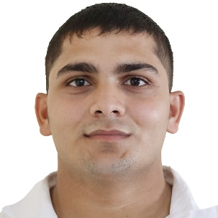
43 | SUSHMANTH GANAGALLA | 11-OCT-2008 | 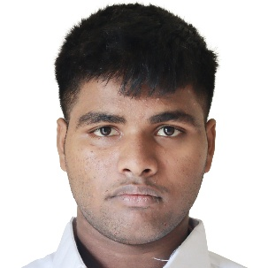
44 | SUSHIL KUMAR | 07-JUL-2006 | 
45 | ABHISHEK RAJESH CHOUDHARY | 10-SEP-2006 | 
46 | GURSHANPREET SINGH | 21-JAN-2008 | 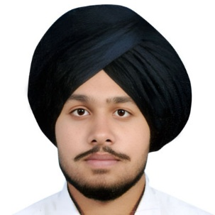
47 | SAMEER KUMAR | 08-NOV-2005 | 
48 | ANSH SUNIL SHENDE | 10-JUN-2006 | 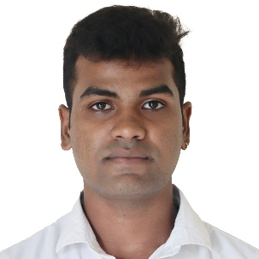
49 | AKASH KUMAR MAHTO | 28-FEB-2002 | 
50 | MADHAV SURADA | 02-DEC-2003 | 
51 | CHIRANJEV ROUTRAY | 18-OCT-2008 | 
52 | VITHUL SAJ MUKKATTIL | 09-JUN-2008 | 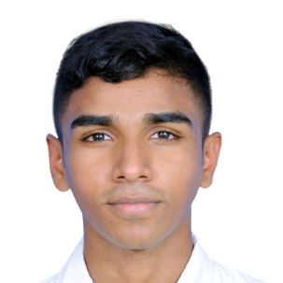
53 | SAYED DILKHUSH | 27-SEP-2008 | 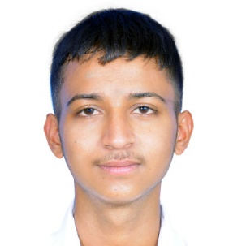
54 | TIRUPATHI RAO GINNI | 29-MAY-2004 | 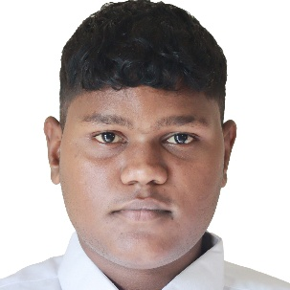
55 | CHETHAN | 14-NOV-2005 | 
56 | HUNSEPALKE ABDUL MAHAMMAD RIZAD | 08-SEP-2007 | 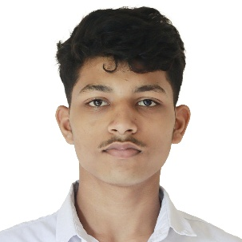
57 | ABHISHEK RAIZADA | 05-DEC-2007 | 
58 | ANKUR SINGH | 19-JAN-2008 | 
59 | SURYANSH ATTAR | 04-SEP-2008 | 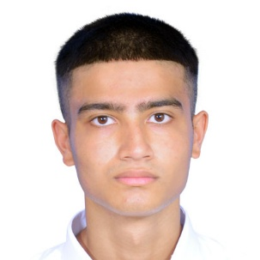
60 | NARAYANARAO NAKKA | 10-AUG-2004 | 
61 | DIVYANSHI | 09-APR-2008 | 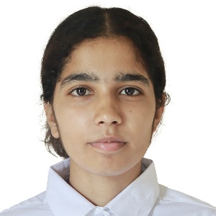
62 | CHANDNI | 29-AUG-2006 | 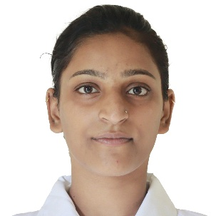
63 | ANSHIKA | 30-JUL-2003 | 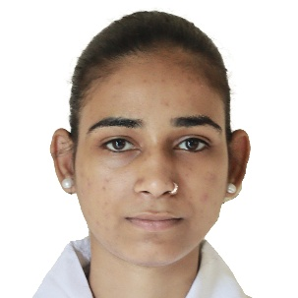
64 | HARSHIT | 05-JUN-2008 | 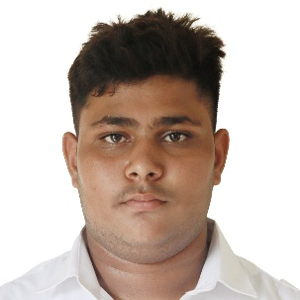
65 | KUNAL | 13-APR-2007 | 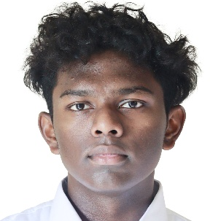
66 | RAHUL | 18-JUL-2005 | 
67 | SHAILENDRA KUMAR | 17-JUL-2008 | 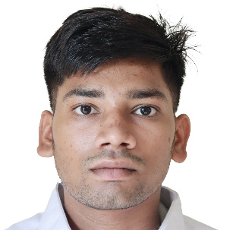
68 | PRINCE | 04-MAR-2008 | 
69 | ADNANKHAN ASLAMKHAN PATHAN | 24-MAY-2004 | 
70 | AUM SEHGAL | 23-MAY-2004 | 
71 | DEEPAK KUMAR | 09-MAR-2003 | 
72 | AVINASH PATEL | 18-OCT-2007 | 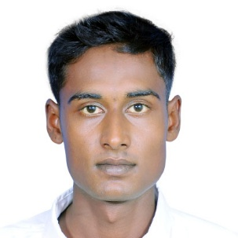
73 | SALAMUDDIN | 18-OCT-2005 | 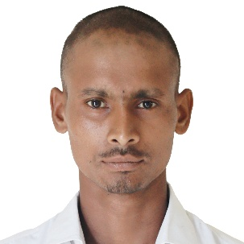
74 | NAKUL | 29-DEC-2008 | 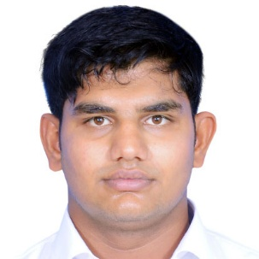
75 | SHUBHAM PAL | 16-FEB-2003 | 
76 | AJIT SINGH | 24-APR-2006 | 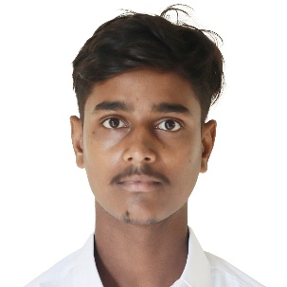
77 | RAHUL | 08-FEB-2007 | 
78 | VIKRAM | 01-JUN-2007 | 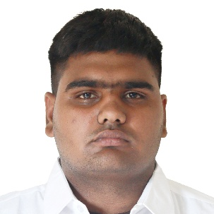
79 | SUNIL KUMAR MAHTO | 16-JUL-1999 | 
80 | PIYUSH | 23-SEP-2006 | 
81 | AMAN PAL | 02-JUL-2008 | 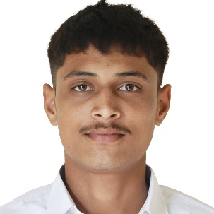
82 | MD KAIFEE ANSARI | 27-APR-2007 | 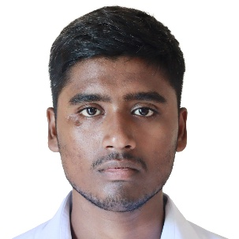
83 | DEEPAK KUMAR | 11-JUL-2007 | 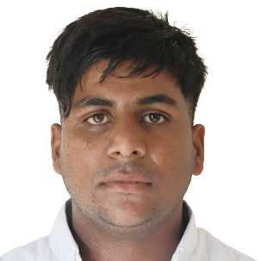
84 | DHANIRAM MAHTO | 22-FEB-2001 | 
85 | SYAMALARAO TUNGANA | 19-AUG-2007 | 
86 | ANKUSH BYAHUT | 19-OCT-2006 | 
87 | AKASH CHAUHAN | 03-APR-2004 | 
88 | ASHWANI ARYA | 7-May-99 | 
89 | NITIN SINGH | 21-MAR-2008 | 
90 | GOVIND CHAUBEY | 26-OCT-2008 | 
91 | RITIK | 24-NOV-2003 | 
92 | ANKUSH TELASE | 28-APR-2003 | 
93 | AJIT | 13-OCT-2004 | 
94 | SURAJ SINGH | 01-JAN-2005 | 
95 | RAHUL | 16-DEC-2007 | 
96 | AVADHESH KUMAR | 10-FEB-2002 | 
97 | AKASH SINGH | 01-JAN-2008 | 
98 | ARPIT SINGH | 17-AUG-2006 | 
99 | KUNAL GUPTA | 14-JUL-2007 | 
100 | ARYAN SAINI | 24-MAY-2008 | 
101 | PRINCE YADAV | 16-MAR-2006 | 
102 | NARENDRA SINGH | 26-AUG-2008 | 
103 | ATISH MALIK | 25-AUG-2006 | 
104 | RAHUL PAL | 01-JAN-2006 | 
105 | MANISH | 15-APR-2001 | 
106 | CHARAN SINGH PAL | 15-JUL-2008 | 
107 | ANURAG SHARMA | 05-OCT-1998 | 
108 | OMKAR YADAV | 25-MAY-2007 | 
109 | ATUL SINGH | 12-SEP-2004 | 
110 | MANDEEP SALARIA | 04-DEC-2004 | 
111 | SOURABH | 27-APR-2005 | 
112 | BHAVESH KUMAR | 12-MAY-2001 | 
113 | SAALIF SAMEER GADKARI | 09-SEP-2006 | 
114 | ATUL | 29-DEC-2003 | 
115 | MOHIIT | 29-DEC-2007 | 
116 | DEEPANSHU | 29-NOV-2006 | 
117 | LOVEKUSH | 14-NOV-2008 | 
118 | SACHIN MEEL | 05-MAY-2006 | 
119 | DIPENDAR BRIJESH YADAV | 2008-08-22 | 
120 | JITESH NITYANAND NAIDU | 2006-03-25 | 

